Product Deployment Summary SiS
Deployment Summary

 | SITESCOPE | Production |  | Non-production
 | Product Name | Total Points Consumed | Total Licensed Points | Total Points Consumed | Total Licensed Points
 | SiteScope | 1401 | 2127

 | Solution Templates Installed
 | AIX Host
 | HP Vertica
 | Jboss AS 4.x
 | Jboss AS 7.1 - 7.4
 | Linux Host
 | Microsoft SQL Server 2008 R2, 2012
 | Microsoft Windows Host
 | Oracle Database 11g
 | Oracle Database 9i and 10g
 | Siebel App Server 6.x-7.x For UNIX
 | Siebel App Server 6.x-7.x For Windows
 | Siebel App Server 8.x For UNIX
 | Siebel App Server 8.x For Windows
 | Siebel Gateway Server For UNIX
 | Siebel Gateway Server For Windows
 | Siebel Web Server For UNIX
 | Siebel Web Server For Windows
 | Solaris Host

 | Deployed Version | 11.52 | Applicable ALA # | 5011-1234

Deployment - Analysis & Calculations

 | Application & Environment Information |  |  |  |  |  |  | License Information
 | Server/Machine Name | Product Version | Environment Type | Operating System | Monitored Components | Services Monitored | Used to Provide Services as a 3rd Party | Points Consumed | Points Licensed | Solution Templates Installed
 | ovsitescope.ad.btk.bg | Microsoft Windows Server 2008 R2 Enterprise | Production | 6.1.7601 Service Pack 1 Build 7601 | Network Devices, Web Servers, App Servers, File Servers. | URL mon., DB Query, Port, Web Service, Siebel monitors, Siebel Service. | No | 1401 | 2127 | 18

Deployment - Raw Data & Screenshots

 | Licensing Information Display
 | 

 | Monitor / Logging Information

 | About SiteScope Display - Screenshot
 | 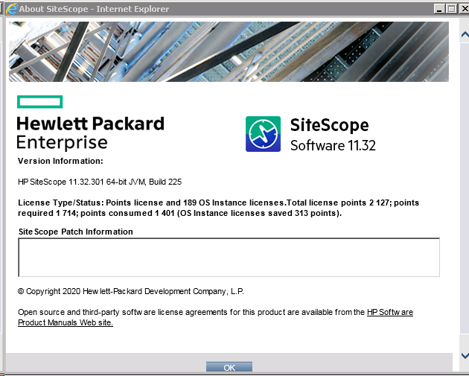

 | Solution Templates & License Extensions
 | 